Building_data
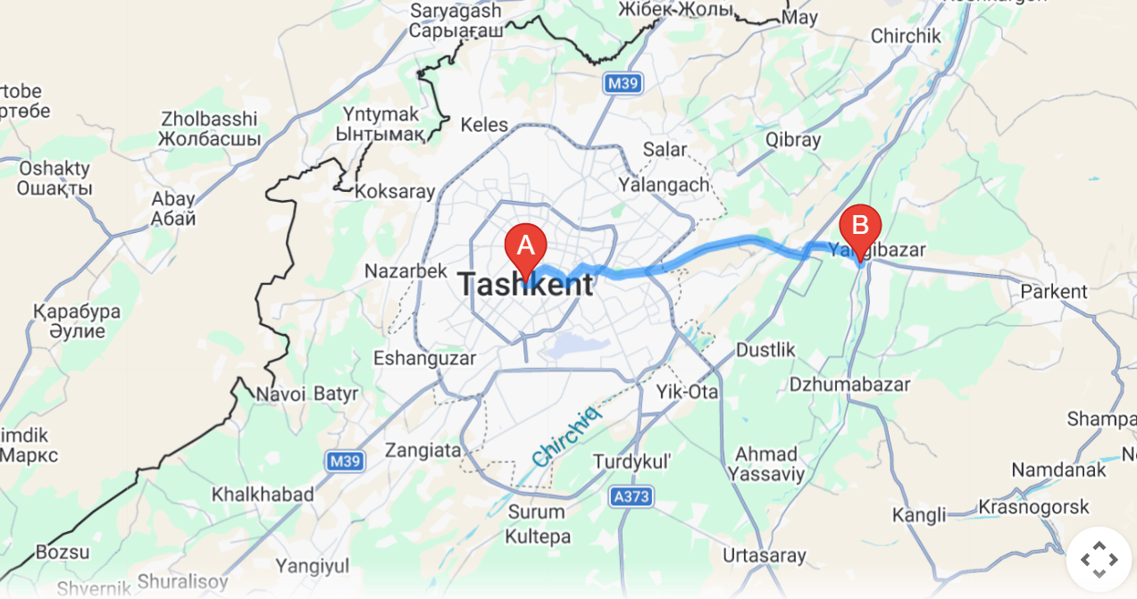
Description | Unit | Value
Total net heated floor area | [m²] | 2515
Total net heated volume | [m³] | 7546
Total net cooled floor area (if any) | [m²] | 0
Duration of the heating season (as per NCM M.01.02:2016, Annex A) | [days] | 163
Average inside temperature during heating season in non-operation hours (standardized) | [°C] | 14
Average inside temperature during heating season in operation hours (standardized) | [°C] | 22
Medium outside temperature during heating season (as per NCM M.01.02:2016, Annex A) | [°C] | 3.9
Coldest 5 days outside temperature (design temperature, as per СНиП 2.01.01-82) | [°C] | -14
Operation hours during heating season | [h/y] | 1630
Non-operation hours during heating season | [h/y] | 14
Operation hours per day | [h/d] | 10
Average inside enthalpy during cooling period for +24°C and relative humidity of 50% | [kJ/kg] | 48.4
Average outside enthalpy during cooling period | [kJ/kg] | 59.5
Outside enthalpy during the hottest summer day | [kJ/kg] | 69.1
Average number of people inside the building | [No of people] | 418

Envelope
Block | Orientation | Side of the building | Element | Walls |  |  |  |  |  | Windows |  |  |  |  |  |  |  |  | Doors
 |  |  |  | Dimension |  |  | Area |  |  | Dimension |  | Type |  |  | Area |  |  | Perimeter of window sills [m] | Dimension |  | Type |  |  | Area |  |  | Perimeter of door sills [m]
 |  |  |  | Lenght [m] | Height of the wall in contact with environment [m] | Height of the wall in contact with the ground [m] | Brut area of the wall in contact with environment [m2] | Area of the wall in contact with the ground [m2] | Net area of the wall in contact with environment [m2] | Lenght [m] | Height [m] | Win 1 [units] | Win 2 [units] | Win 3 [units] | Win 1 [m2] | Win 2 [m2] | Win 3 [m2] |  | Lenght [m] | Height [m] | D 1 [units] | D 2 [units] | D 3 [units] | D 1 [m2] | D 2 [m2] | D 3 [m2] |  | 257
3-DMTT | N | P1 | W1 | 50.7 | 6.6 |  | 335 | 0 | 278 | 1.2 | 1.8 |  |  | 21 | 0 | 0 | 45 | 126 | 2.2 | 2.6 | 2 |  |  | 11 | 0 | 0 | 19 | 45 | S | 79.02
 |  |  | Socle 1. (unheated space) | 50.7 | 0.6 |  | 28 | 0 | 22 | 1.0 | 1.8 |  |  | 1 | 0 | 0 | 2 | 6 | 0.9 | 2.0 | 2 |  |  | 4 | 0 | 0 | 12 | 2 | N | 86.4
 |  |  |  |  |  |  | 0 | 0 | -3 | 0.8 | 0.8 |  |  | 4 | 0 | 0 | 3 | 13 |  |  |  |  |  | 0 | 0 | 0 | 0 | 3 | E | 10.8
 | W | P2 | W1 | 13.2 | 6.6 |  | 87 | 0 | 75 | 1.2 | 1.8 |  |  | 3 | 0 | 0 | 6 | 18 | 0.9 | 2.0 | 3 |  |  | 5 | 0 | 0 | 17 | 6 | W | 14.76
 |  |  | Socle 1. (unheated space) | 13.2 | 0.6 |  | 7 | 0 | 0 | 1.0 | 1.8 |  |  | 4 | 0 | 0 | 7 | 22 |  |  |  |  |  | 0 | 0 | 0 | 0 | 7 | SW | 0
 | S | P3 | W1 | 24.5 | 6.6 |  | 162 | 0 | 136 | 1.2 | 1.8 |  |  | 12 | 0 | 0 | 26 | 72 |  |  |  |  |  | 0 | 0 | 0 | 0 | 26 | SE | 0
 |  |  | Socle 1. (unheated space) | 24.5 | 0.6 |  | 13 | 0 | 12 | 0.8 | 0.8 |  |  | 2 | 0 | 0 | 1 | 6 |  |  |  |  |  | 0 | 0 | 0 | 0 | 1 | NE | 0
 | W | P4 | W1 | 13.3 | 3.3 |  | 44 | 0 | 40 | 1.0 | 1.8 |  |  | 1 | 0 | 0 | 2 | 6 | 0.9 | 2 | 1 |  |  | 2 | 0 | 0 | 6 | 2 | NW | 0
 |  |  | Socle 1. (unheated space) | 13.3 | 0.6 |  | 7 | 0 | 7 |  |  |  |  |  | 0 | 0 | 0 | 0 |  |  |  |  |  | 0 | 0 | 0 | 0 | 0
 |  |  |  |  |  |  | 0 | 0 | 0 |  |  |  |  |  | 0 | 0 | 0 | 0 |  |  |  |  |  | 0 | 0 | 0 | 0 | 0
 |  |  |  |  |  |  | 0 | 0 | 0 |  |  |  |  |  | 0 | 0 | 0 | 0 |  |  |  |  |  | 0 | 0 | 0 | 0 | 0
 |  |  |  |  |  |  | 0 | 0 | 0 |  |  |  |  |  | 0 | 0 | 0 | 0 |  |  |  |  |  | 0 | 0 | 0 | 0 | 0
 | N | P5 | W1 | 24.5 | 6.6 |  | 162 | 0 | 136 | 1.2 | 1.8 |  |  | 12 | 0 | 0 | 26 | 72 |  |  |  |  |  | 0 | 0 | 0 | 0 | 26
 |  |  | Socle 1. (unheated space) | 24.5 | 0.6 |  | 13 | 0 | 12 | 0.8 | 0.8 |  |  | 2 | 0 | 0 | 1 | 6 |  |  |  |  |  | 0 | 0 | 0 | 0 | 1
 |  |  |  |  |  |  | 0 | 0 | 0 |  |  |  |  |  | 0 | 0 | 0 | 0 |  |  |  |  |  | 0 | 0 | 0 | 0 | 0
 |  |  |  |  |  |  |  |  |  |  |  |  |  |  | 0 | 0 | 0 | 0 |  |  |  |  |  | 0 | 0 | 0 | 0 | 0
 |  |  |  |  |  |  |  |  |  |  |  |  |  |  | 0 | 0 | 0 | 0 |  |  |  |  |  | 0 | 0 | 0 | 0 | 0
 | W | P6 | W1 | 13.2 | 6.6 |  | 87 | 0 | 75 | 1.2 | 1.8 |  |  | 3 | 0 | 0 | 6 | 18 | 0.9 | 2.0 | 3 |  |  | 5 | 0 | 0 | 17 | 6
 |  |  | Socle 1. (unheated space) | 13.2 | 0.6 |  | 7 | 0 | -2 | 1.0 | 1.8 |  |  | 5 | 0 | 0 | 9 | 28 |  |  |  |  |  | 0 | 0 | 0 | 0 | 9
 |  |  |  |  |  |  | 0 | 0 | 0 |  |  |  |  |  | 0 | 0 | 0 | 0 |  |  |  |  |  | 0 | 0 | 0 | 0 | 0
 | S | P7 | W1 | 50.7 | 6.6 |  | 335 | 0 | 276 | 1.2 | 1.8 |  |  | 22 | 0 | 0 | 48 | 132 | 2.2 | 2.6 | 2 |  |  | 11 | 0 | 0 | 19 | 48
 |  |  | Socle 1. (unheated space) | 50.7 | 0.6 |  | 28 | 0 | 22 | 0.8 | 0.8 |  |  | 4 | 0 | 0 | 3 | 13 | 0.9 | 2.0 | 2 |  |  | 4 | 0 | 0 | 12 | 3
 |  |  |  |  |  |  | 0 | 0 | 0 |  |  |  |  |  | 0 | 0 | 0 | 0 |  |  |  |  |  | 0 | 0 | 0 | 0 | 0
 |  |  |  |  |  |  | 0 | 0 | 0 |  |  |  |  |  | 0 | 0 | 0 | 0 |  |  |  |  |  | 0 | 0 | 0 | 0 | 0
 |  |  |  |  |  |  | 0 | 0 | 0 |  |  |  |  |  | 0 | 0 | 0 | 0 |  |  |  |  |  | 0 | 0 | 0 | 0 | 0
 | E | P8 | W1 | 13.2 | 6.6 |  | 87 | 0 | 79 | 1.2 | 1.8 |  |  | 2 | 0 | 0 | 4 | 12 | 0.9 | 2.0 | 2 |  |  | 4 | 0 | 0 | 12 | 4
 |  |  | Socle 1. (unheated space) | 13.2 | 0.6 |  | 7 | 0 | 0 | 1.0 | 1.8 |  |  | 4 | 0 | 0 | 7 | 22 |  |  |  |  |  | 0 | 0 | 0 | 0 | 7
 |  |  |  |  |  |  | 0 | 0 | 0 |  |  |  |  |  | 0 | 0 | 0 | 0 |  |  |  |  |  | 0 | 0 | 0 | 0 | 0
 | N | P9 | W1 | 21.3 | 6.6 |  | 141 | 0 | 126 | 1.2 | 1.8 |  |  | 6 | 0 | 0 | 13 | 36 | 0.9 | 2.0 | 1 |  |  | 2 | 0 | 0 | 6 | 13
 |  |  | Socle 1. (unheated space) | 21.3 | 0.6 |  | 12 | 0 | 10 | 1.0 | 1.8 |  |  | 1 | 0 | 0 | 2 | 6 |  |  |  |  |  | 0 | 0 | 0 | 0 | 2
 |  |  |  |  |  |  | 0 | 0 | 0 |  |  |  |  |  | 0 | 0 | 0 | 0 |  |  |  |  |  | 0 | 0 | 0 | 0 | 0
 |  |  |  |  |  |  | 0 | 0 | 0 |  |  |  |  |  | 0 | 0 | 0 | 0 |  |  |  |  |  | 0 | 0 | 0 | 0 | 0
 | E | P10 | W1 | 13.3 | 3.3 |  | 44 | 0 | 39 |  |  |  |  |  | 0 | 0 | 0 | 0 | 1.5 | 2.9 | 1 |  |  | 4 | 0 | 0 | 9 | 0
 |  |  | Socle 1. (unheated space) | 13.3 | 0.6 |  | 7 | 0 | 7 |  |  |  |  |  | 0 | 0 | 0 | 0 |  |  |  |  |  | 0 | 0 | 0 | 0 | 0
 |  |  |  |  |  |  | 0 | 0 | 0 |  |  |  |  |  | 0 | 0 | 0 | 0 |  |  |  |  |  | 0 | 0 | 0 | 0 | 0
 |  |  |  |  |  |  | 0 | 0 | 0 |  |  |  |  |  | 0 | 0 | 0 | 0 |  |  |  |  |  | 0 | 0 | 0 | 0 | 0
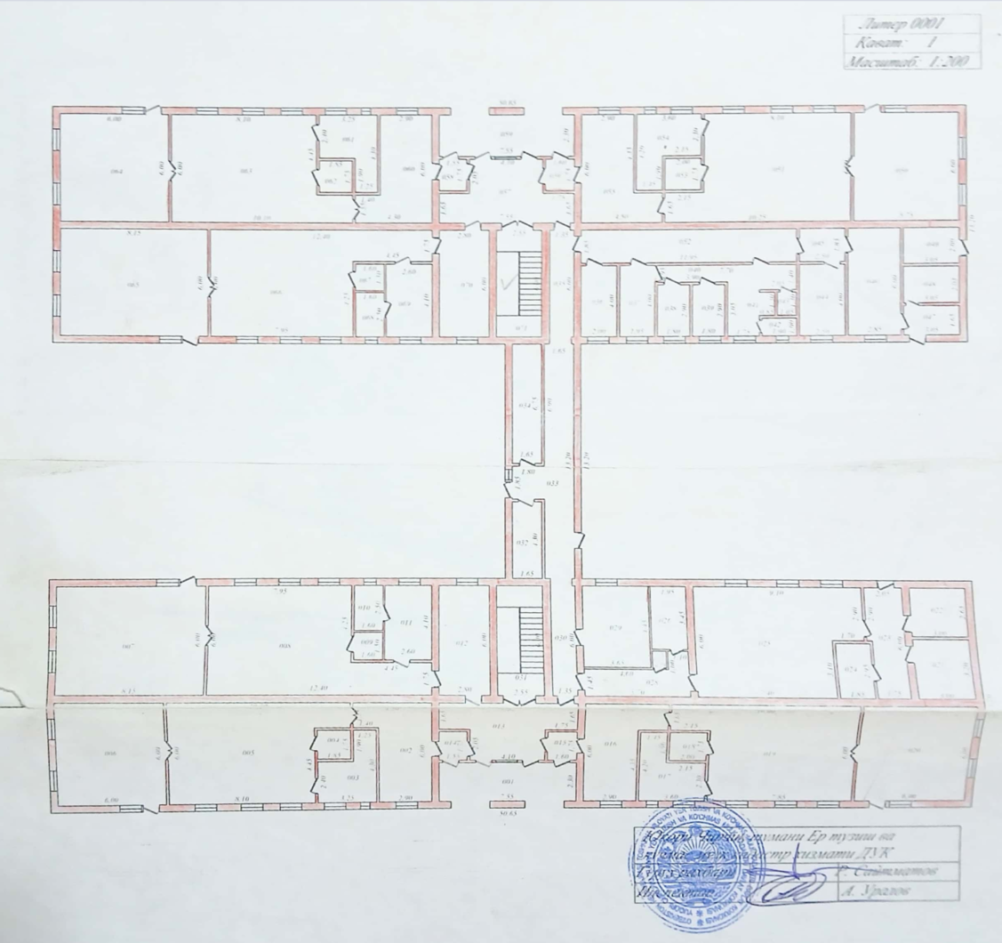
Perimeter pavement area
P1
P5
P9
P2
P6
P4
P12
P8
P10
P3
P11
P13
P7
P14
 | S | P11 | W1 | 21.3 | 6.6 |  | 141 | 0 | 134 | 1.9 | 1.8 |  |  | 1 | 0 | 0 | 3 | 7 | 0.9 | 2.0 | 2 |  |  | 4 | 0 | 0 | 12 | 3
 |  |  | Socle 1. (unheated space) | 21.3 | 0.6 |  | 12 | 0 | 10 | 1.2 | 1.8 |  |  | 1 | 0 | 0 | 2 | 6 |  |  |  |  |  | 0 | 0 | 0 | 0 | 2
 |  |  |  |  |  |  | 0 | 0 | -20 | 1.0 | 1.8 |  |  | 11 | 0 | 0 | 20 | 62 |  |  |  |  |  | 0 | 0 | 0 | 0 | 20
 |  |  |  |  |  |  | 0 | 0 | 0 |  |  |  |  |  | 0 | 0 | 0 | 0 |  |  |  |  |  | 0 | 0 | 0 | 0 | 0
 |  |  |  |  |  |  | 0 | 0 | 0 |  |  |  |  |  | 0 | 0 | 0 | 0 |  |  |  |  |  | 0 | 0 | 0 | 0 | 0
 |  |  |  |  |  |  | 0 | 0 | 0 |  |  |  |  |  | 0 | 0 | 0 | 0 |  |  |  |  |  | 0 | 0 | 0 | 0 | 0
 |  |  |  |  |  |  | 0 | 0 | 0 |  |  |  |  |  | 0 | 0 | 0 | 0 |  |  |  |  |  | 0 | 0 | 0 | 0 | 0
 |  |  |  |  |  |  | 0 | 0 | 0 |  |  |  |  |  | 0 | 0 | 0 | 0 |  |  |  |  |  | 0 | 0 | 0 | 0 | 0
 |  |  |  |  |  |  | 0 | 0 | 0 |  |  |  |  |  | 0 | 0 | 0 | 0 |  |  |  |  |  | 0 | 0 | 0 | 0 | 0
 | E | P12 | W1 | 13.2 | 6.6 |  | 87 | 0 | 75 | 1.2 | 1.8 |  |  | 3 | 0 | 0 | 6 | 18 | 0.9 | 2.0 | 3 |  |  | 5 | 0 | 0 | 17 | 6
 |  |  | Socle 1. (unheated space) | 13.2 | 0.6 |  | 7 | 0 | 0 | 1.0 | 1.8 |  |  | 4 | 0 | 0 | 7 | 22 |  |  |  |  |  | 0 | 0 | 0 | 0 | 7
 |  |  |  |  |  |  | 0 | 0 | 0 |  |  |  |  |  | 0 | 0 | 0 | 0 |  |  |  |  |  | 0 | 0 | 0 | 0 | 0
 |  |  |  |  |  |  | 0 | 0 | 0 |  |  |  |  |  | 0 | 0 | 0 | 0 |  |  |  |  |  | 0 | 0 | 0 | 0 | 0
 | S | P13 | W1 | 4.3 | 3.3 |  | 14 | 0 | 12 | 1.2 | 1.8 |  |  | 1 | 0 | 0 | 2 | 6 |  |  |  |  |  | 0 | 0 | 0 | 0 | 2
 |  |  | Socle 1. (unheated space) | 4.3 | 0.6 |  | 2 | 0 | 1 | 1.0 | 1.8 |  |  | 1 | 0 | 0 | 2 | 6 |  |  |  |  |  | 0 | 0 | 0 | 0 | 2
 |  |  |  |  |  |  | 0 | 0 | 0 |  |  |  |  |  | 0 | 0 | 0 | 0 |  |  |  |  |  | 0 | 0 | 0 | 0 | 0
 | N | P14 | W1 | 4.3 | 3.3 |  | 14 | 0 | 12 | 1.2 | 1.8 |  |  | 1 | 0 | 0 | 2 | 6 |  |  |  |  |  | 0 | 0 | 0 | 0 | 2
 |  |  | Socle 1. (unheated space) | 4.3 | 0.6 |  | 2 | 0 | 2 |  |  |  |  |  | 0 | 0 | 0 | 0 |  |  |  |  |  | 0 | 0 | 0 | 0 | 0
 |  |  |  |  |  |  | 0 | 0 | 0 |  |  |  |  |  | 0 | 0 | 0 | 0 |  |  |  |  |  | 0 | 0 | 0 | 0 | 0
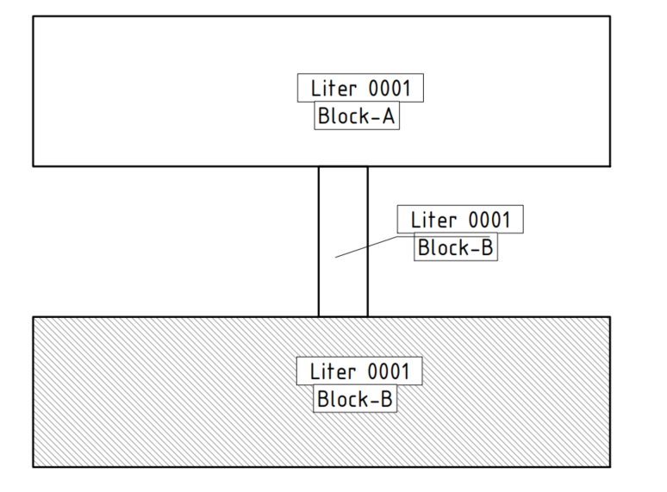
 |  |  |  |  |  |  | 0 | 0 | 0 |  |  |  |  |  | 0 | 0 | 0 | 0 |  |  |  |  |  | 0 | 0 | 0 | 0 | 0
 |  |  |  |  |  |  | 0 | 0 | 0 |  |  |  |  |  | 0 | 0 | 0 | 0 |  |  |  |  |  | 0 | 0 | 0 | 0 | 0
 |  |  |  |  |  |  | 0 | 0 | 0 |  |  |  |  |  | 0 | 0 | 0 | 0 |  |  |  |  |  | 0 | 0 | 0 | 0 | 0
 |  |  |  |  |  |  | 0 | 0 | 0 |  |  |  |  |  | 0 | 0 | 0 | 0 |  |  |  |  |  | 0 | 0 | 0 | 0 | 0
 |  |  |  |  |  |  | 0 | 0 | 0 |  |  |  |  |  | 0 | 0 | 0 | 0 |  |  |  |  |  | 0 | 0 | 0 | 0 | 0
 |  |  |  |  |  |  | 0 | 0 | 0 |  |  |  |  |  | 0 | 0 | 0 | 0 |  |  |  |  |  | 0 | 0 | 0 | 0 | 0
 |  |  |  |  |  |  | 0 | 0 | 0 |  |  |  |  |  | 0 | 0 | 0 | 0 |  |  |  |  |  | 0 | 0 | 0 | 0 | 0
 |  |  |  |  |  |  | 0 | 0 | 0 |  |  |  |  |  | 0 | 0 | 0 | 0 |  |  |  |  |  | 0 | 0 | 0 | 0 | 0
 |  |  |  |  |  |  | 0 | 0 | 0 |  |  |  |  |  | 0 | 0 | 0 | 0 |  |  |  |  |  | 0 | 0 | 0 | 0 | 0
 |  |  |  |  |  |  | 0 | 0 | 0 |  |  |  |  |  | 0 | 0 | 0 | 0 |  |  |  |  |  | 0 | 0 | 0 | 0 | 0
 |  |  |  |  |  |  | 0 | 0 | 0 |  |  |  |  |  | 0 | 0 | 0 | 0 |  |  |  |  |  | 0 | 0 | 0 | 0 | 0
 |  |  |  |  |  |  | 0 | 0 | 0 |  |  |  |  |  | 0 | 0 | 0 | 0 |  |  |  |  |  | 0 | 0 | 0 | 0 | 0
 |  | Total | W1 |  |  |  |  |  | 1493 | Total area by type [m2] |  |  |  |  | 0 | 0 | 257 |  |  |  |  |  |  | 61 | 0 | 0
 |  |  | W2 (unheated) |  |  |  |  |  | 0
 |  |  | Socle 1. (heated space) |  |  |  |  |  | 0 | Total area [m2] |  |  |  |  | 257 |  |  |  |  |  |  |  |  | 61
Perimeter pavement area
 |  |  | Socle 1. (unheated space) |  |  |  |  |  | 104
 |  |  |  |  |  |  |  |  |  | Total sills perimeter [m] |  |  |  |  |  |  |  | 747 |  |  |  |  |  |  |  |  | 157
 |  |  | Socle 2 | 0 |  |  |  |  | 0
 |  |  |  |  |  |  |  |  |  |  |  | 0 | 0 | 132

 |  | Space name | Brut area of one floor [m²] | Number of floors | Total brut heated area [m²] | Net height of one floor | Perimeter of the building [m] | Thickness of exterior walls [m] | Total area of the walls in section [m²] | Net heated area [m²] | Net heated volume [m³] |  |  |  |  |  |  |  |  |  |  |  |  |  |  |  |  |  | Element | Description of windows and doors before renovation | Type | Uvalue [W/m²K] | Area [m²]

 |  |  |  |  |  |  |  |  |  |  |  |  |  |  |  |  |  |  |  |  |  |  |  |  |  |  |  |  | Window | PVC framed, 3 camera, double glazed [3-12-3mm] | Win1 | 2.56 | 0
 |  | A blok | 669.24 | 2 | 1338 | 3 | 127.8 | 0.4 | 102 | 1236 | 3709 |  |  |  |  |  |  |  |  |  |  |  |  |  |  |  |  |  |  | Wooden double framed [3-50-3mm] | Win2 | 2.78 | 0
 |  | B blok | 669.24 | 2 | 1338 | 3 | 127.8 | 0.4 | 102 | 1236 | 3709 |  |  |  |  |  |  |  |  |  |  |  |  |  |  |  |  |  |  | Aluminum frame 4-40-4 | Win3 | 2.94 | 257
 |  | C blok | 56.975 | 1 | 57 | 3 | 35.1 | 0.4 | 14 | 43 | 129
 |  |  |  |  | 0 |  |  |  | 0 | 0 | 0 |  |  |  |  |  |  |  |  |  |  |  |  |  |  |  |  |  | Door | Aluminum frame 4-40-4, double glazed [3-12-3mm] | D1 | 3.5 | 61
 |  |  |  |  | 0 |  |  |  | 0 | 0 | 0 |  |  |  |  |  |  |  |  |  |  |  |  |  |  |  |  |  |  | Wooden – 50mm | D2 | 4 | 0
 |  |  |  |  | 0 |  |  |  | 0 | 0 | 0 |  |  |  |  |  |  |  |  |  |  |  |  |  |  |  |  |  |  | Metal | D3 | 5.88 | 0
 |  |  |  |  | 0 |  |  |  | 0 | 0 | 0
 |  |  |  |  | 0 |  |  |  | 0 | 0 | 0
 |  | Total |  |  | 2734 |  |  |  |  | 2515 | 7546
 |  |  |  |  |  |  |  |  |  |  |  |  |  |  |  |  |  |  |  |  |  |  |  |  |  |  |  |  | Element | Description of windows and doors after renovation | Type | Uvalue [W/m²K]

 |  |  |  |  |  |  |  |  |  |  |  |  |  |  |  |  |  |  |  |  |  |  |  |  |  |  |  |  | Window | PVC framed, 5 camera, double glazed [4mm (Low-e < 0.1) - 20 Ar - 4mm] . | Win4 | 1.5
 |  |  |  |  |  |  |  |  |  |  |  |  |  |  |  |  |  |  |  |  |  |  |  |  |  |  |  |  | Door | PVC framed, 5 camera, sandwich panel 28 mm, double glazed [4mm (Low-e < 0.1) - 20 Ar - 4mm] . | D4 | 1.8

 |  |  |  |  |  |  |  |  |  |  |  |  |  |  |  |  |  |  |  |  |  |  |  |  |  |  |  |  |  | Types of walls
 |  |  |  |  |  |  |  |  |  |  |  |  |  |  |  |  |  |  |  |  |  |  |  |  |  |  |  |  |  | Description of existing walls | Type | Area [m²]

 |  |  |  |  |  |  |  |  |  |  |  |  |  |  |  |  |  |  |  |  |  |  |  |  |  |  |  |  |  | Internal plaster 10mm, Prefabricated concrete panels filled with ceramzit 350 mm, external plaster 10mm. | W1 | 1493
 |  |  |  |  |  |  |  |  |  |  |  |  |  |  |  |  |  |  |  |  |  |  |  |  |  |  |  |  |  | Internal plaster 10mm, Prefabricated concrete panels filled with ceramzit 350 mm | W2 (unheated) | 0 | heat losses do not calc
 |  |  |  |  |  |  |  |  |  |  |  |  |  |  |  |  |  |  |  |  |  |  |  |  |  |  |  |  |  | Socle area in contact with environment. Prefabricated concrete panels filled with ceramzit 350 mm, Concrete/sand mix 20mm, Decorative stone 30mm. | Socle 1. (heated space) | 0
 |  |  |  |  |  |  |  |  |  |  |  |  |  |  |  |  |  |  |  |  |  |  |  |  |  |  |  |  |  | Socle area in contact with environment. Concrete 600mm, Concrete/sand mix 20mm, Decorative stone 30mm. | Socle 1. (unheated space) | 104
 |  |  |  |  |  |  |  |  |  |  |  |  |  |  |  |  |  |  |  |  |  |  |  |  |  |  |  |  |  | Socle area in contact with the ground. Concrete 600mm | Socle 2 | 0

 |  |  |  |  |  |  |  |  |  |  |  |  |  |  |  |  |  |  |  |  |  |  |  |  |  |  |  |  |  | Types of floors
 |  |  |  |  |  |  |  |  |  |  |  |  |  |  |  |  |  |  |  |  |  |  |  |  |  |  |  |  |  | Description of existing floors | Type | Area [m²]

 |  |  |  |  |  |  |  |  |  |  |  |  |  |  |  |  |  |  |  |  |  |  |  |  |  |  |  |  |  | Floor in contact with unheated space. Concrete panel 220mm, cheramzit 50mm, cocnrete sand mix 50mm, Marble 30mm | F1 | 1279
 |  |  |  |  |  |  |  |  |  |  |  |  |  |  |  |  |  |  |  |  |  |  |  |  |  |  |  |  |  | Floor in contact with environment. Concrete panel 220mm, cheramzit 50mm, cocnrete sand mix 50mm, Marble 30mm | F2

 |  |  |  |  |  |  |  |  |  |  |  |  |  |  |  |  |  |  |  |  |  |  |  |  |  |  |  |  |  | Types of roof
 |  |  |  |  |  |  |  |  |  |  |  |  |  |  |  |  |  |  |  |  |  |  |  |  |  |  |  |  |  | Description of existing roof | Type | Area [m²]

 |  |  |  |  |  |  |  |  |  |  |  |  |  |  |  |  |  |  |  |  |  |  |  |  |  |  |  |  |  | Roof in contact with unheated space (technical floor). Internal plaster 10mm, Concrete Panel 220mm, Expanded clay 50mm, Concrete 50mm | R1 | 1279
 |  |  |  |  |  |  |  |  |  |  |  |  |  |  |  |  |  |  |  |  |  |  |  |  |  |  |  |  |  | Roof in contact with environment. Internal plaster 10mm, Concrete Panel 220mm, Cheramzit 50mm, Concrete 50mm, Bitumen 6mm | R2

Consumption
GAS |  | Anul 2023 |  |  | Anul 2024 |  |  | Anul 2025 |  |  | Average for the past 3 years (Baseline)
№ | Davr | Consum | Expenses | Tarif [so'm/m3] | Consum | Expenses | Tarif [so'm/m3] | Consum | Expenses | Tarif [so'm/m3] | Consum | Expenses | Tarif [so'm/m3] |  |  | According to latest tariff |  |  | 700000 | so'm/gcal
 |  | [m3] | [so'm] |  | [m3] | [so'm] |  | [m3] | [so'm] |  | [kWh] | [so'm] |  |  |  |  | Thermal |  | 601.8916595 | so'm/kWh
1 | January | 7274 | 18185000 | 2500.0 | 5691 | 14227500 | 2500.0 | 6976 | 17440000 | 2500.0 | 63147 | 69461150 | 1100.00 |  |  |  | Electrical |  | 1100 | so'm/kWh |  | 8887
2 | February | 5399 | 13497500 | 2500.0 | 5304 | 13260000 | 2500.0 | 5774 | 14435000 | 2500.0 | 52177 | 57394883 | 1100.00 |  |  |  | GAS |  | 2500 | so'm/m3
GAS Consumption
3 | March | 1710 | 4275000 | 2500.0 | 3218 | 8045000 | 2500.0 | 2989 | 7472500 | 2500.0 | 25071 | 27577550 | 1100.00
4 | April | 645 | 1612500 | 2500.0 | 514 | 1285000 | 2500.0 | 79 | 197500 | 2500.0 | 3920 | 4312367 | 1100.00
5 | May | 564 | 1410000 | 2500.0 | 557 | 1392500 | 2500.0 | 66 | 165000 | 2500.0 | 3759 | 4134717 | 1100.00
6 | June | 609 | 1522500 | 2500.0 | 519 | 1297500 | 2500.0 | 54 | 135000 | 2500.0 | 3743 | 4117300 | 1100.00
7 | July | 614 | 1535000 | 2500.0 | 526 | 1315000 | 2500.0 | 47 | 117500 | 2500.0 | 3759 | 4134717 | 1100.00
8 | August | 571 | 1427500 | 2500.0 | 106 | 265000 | 2500.0 | 1054 | 2635000 | 2500.0 | 5482 | 6029650 | 1100.00
9 | September | 205 | 512500 | 2500.0 | 95 | 237500 | 2500.0 | 62 | 155000 | 2500.0 | 1146 | 1260967 | 1100.00
10 | October | 1138 | 2845000 | 2500.0 | 1062 | 2655000 | 2500.0 | 65 | 162500 | 2500.0 | 7173 | 7889750 | 1100.00
11 | November | 3196 | 7990000 | 2500.0 | 1609 | 4022500 | 2500.0 | 2933 | 7332500 | 2500.0 | 24504 | 26954033 | 1100.00
12 | December | 4965 | 12412500 | 2500.0 | 5476 | 13690000 | 2500.0 | 4239 | 10597500 | 2500.0 | 46487 | 51135333 | 1100.00
TOTAL |  | 26890 | 67225000 |  | 24677 | 61692500 |  | 24338 | 60845000 |  | 240366 | 264402417

Electrical Energy Consumption
Electrical Energy |  | Anul 2023 |  |  | Anul 2024 |  |  | Anul 2025 |  |  | Average for the past 3 years (Baseline)
№ | Davr | Consum | Expenses | Tarif [so'm/kWh] | Consum | Expenses | Tarif [so'm/kWh] | Consum | Expenses | Tarif [so'm/kWh] | Consum | Expenses | Tarif [so'm/kWh]
 |  | [kWh] | [so'm] |  | [kWh] | [so'm] |  | [kWh] | [so'm] |  | [kWh] | [so'm]
1 | January | 4211 | 3789900 | 900.00 | 7119 | 6407100 | 900.00 | 6699 | 6029100 | 900.00 | 6010 | 6610633 | 1100.00
2 | February | 4389 | 3950100 | 900.00 | 6447 | 5802300 | 900.00 | 5964 | 5367600 | 900.00 | 5600 | 6160000 | 1100.00
3 | March | 3633 | 3269700 | 900.00 | 5439 | 4895100 | 900.00 | 4893 | 4403700 | 900.00 | 4655 | 5120500 | 1100.00
4 | April | 6111 | 5499900 | 900.00 | 4641 | 4176900 | 900.00 | 4473 | 4025700 | 900.00 | 5075 | 5582500 | 1100.00
5 | May | 4095 | 3685500 | 900.00 | 4630 | 4167000 | 900.00 | 4059 | 3653100 | 900.00 | 4261 | 4687467 | 1100.00
6 | June | 2604 | 2343600 | 900.00 | 3620 | 3258000 | 900.00 | 4000 | 3600000 | 900.00 | 3408 | 3748800 | 1100.00
7 | July | 2900 | 2610000 | 900.00 | 3499 | 3149100 | 900.00 | 4138 | 3724200 | 900.00 | 3512 | 3863567 | 1100.00
8 | August | 2770 | 2493000 | 900.00 | 4157 | 3741300 | 900.00 | 3964 | 3567600 | 900.00 | 3630 | 3993367 | 1100.00
9 | September | 3780 | 3402000 | 900.00 | 4296 | 3866400 | 900.00 | 3663 | 3296700 | 900.00 | 3913 | 4304300 | 1100.00
10 | October | 3507 | 3156300 | 900.00 | 5124 | 4611600 | 900.00 | 4486 | 4037400 | 900.00 | 4372 | 4809567 | 1100.00
11 | November | 5607 | 5046300 | 900.00 | 5565 | 5008500 | 900.00 | 5751 | 5175900 | 900.00 | 5641 | 6205100 | 1100.00
12 | December | 5586 | 5027400 | 900.00 | 6111 | 5499900 | 900.00 | 6204 | 5583600 | 900.00 | 5967 | 6563700 | 1100.00
TOTAL |  | 49193 | 44273700 |  | 60648 | 54583200 |  | 58294 | 52464600 |  | 56045 | 61649500

Energy Consumed for DHW
 | Anul 2023 | Anul 2024 | Anul 2025
January
February
March
April
May
June
July
August
September
October
November
December
Energie Termică |  | Anul 2023 |  |  | Anul 2024 |  |  | Anul 2025 |  |  | Average for the past 3 years (Baseline)
№ | Davr | Consum | Expenses | Tarif [so'm/m3] | Consum | Expenses | Tarif [so'm/m3] | Consum | Expenses | Tarif [so'm/m3] | Consum | Expenses | Tarif [so'm/m3]
 |  | [m3] | [so'm] |  | [m3] | [so'm] |  | [m3] | [so'm] |  | [kWh] | [so'm]
1 | January |  |  | 1122.0 |  |  | 1122.0 |  |  | 1122.0 | 0 | 0 | 601.89 |  |  |  |  |  |  |  |  | 8887
2 | February |  |  | 1122.0 |  |  | 1122.0 |  |  | 1122.0 | 0 | 0 | 601.89
3 | March |  |  | 1122.0 |  |  | 1122.0 |  |  | 1122.0 | 0 | 0 | 601.89
4 | April |  |  | 1122.0 |  |  | 1122.0 |  |  | 1122.0 | 0 | 0 | 601.89
5 | May |  |  | 1122.0 |  |  | 1122.0 |  |  | 1122.0 | 0 | 0 | 601.89 | #DIV/0! | 0 |  | #DIV/0! | 0 |  | #DIV/0! | 0
6 | June |  |  | 1122.0 |  |  | 1122.0 |  |  | 1122.0 | 0 | 0 | 601.89 |  |  |  |  |  |  | #DIV/0!
7 | July |  |  | 1122.0 |  |  | 1122.0 |  |  | 1122.0 | 0 | 0 | 601.89 |  |  |  |  |  |  | #DIV/0!
8 | August |  |  | 1122.0 |  |  | 1122.0 |  |  | 1122.0 | 0 | 0 | 601.89 |  |  |  |  |  |  | #DIV/0!
9 | September |  |  | 1122.0 |  |  | 1122.0 |  |  | 1122.0 | 0 | 0 | 601.89 |  |  |  |  |  |  | #DIV/0!
10 | October |  |  | 1122.0 |  |  | 1122.0 |  |  | 1122.0 | 0 | 0 | 601.89
11 | November |  |  | 1122.0 |  |  | 1122.0 |  |  | 1772.0 | 0 | 0 | 601.89
12 | December |  |  | 1122.0 |  |  | 1122.0 |  |  | 1772.0 | 0 | 0 | 601.89
TOTAL |  | 0 | 0 |  | 0 | 0 |  | 0 | 0 |  | 0 | 0

For DHW preparation the average (baseline energy consumption) should be also calculated in kWh
For other types of fuels like biomass, natural gas, coal etc. the same principle to be applied.

U-values
 | Calculation of Uvalue for external wall before renovation (W1) |  |  |  |  |  | Calculation of Uvalue for external wall after renovation (W1)
 | Layers |  | Thickness | Thermal conductivity |  | Thermal resistance | Layers |  | Thickness | Thermal conductivity |  | Thermal resistance |  | Rezistența termică a suprafeței din Interior / Exterior [m²K/W] - SM SR EN ISO 6946
 |  |  |  |  |  |  |  |  |  |  |  |  |  | Rezistența termică a suprafeței în m2K/W |  | Rint | Rext
 |  |  | [m] | [W/mK] |  | [m²K/W] |  |  | [m] | [W/mK] |  | [m²K/W]
 | 1 | Internal plaster | 0.002 | 0.7 |  | 0.00 | 1 | Internal plaster | 0.002 | 0.7 |  | 0.00 |  | Tashqi muhit bilan aloqada bo'lgan vertikal element (masalan, devor) |  | 0.115 | 0.040 | Material de construcție | λ,W/(m∙K) | Column1
 | 2 | Concrete/sand mix | 0.01 | 0.76 |  | 0.01 | 2 | Concrete/sand mix | 0.01 | 0.76 |  | 0.01 |  | Isitilgan makon bilan aloqada bo'lgan devor |  | 0.115 | 0.115 | Internal plaster | 0.7
 | 3 | Bricks | 0.38 | 0.7 |  | 0.54 | 3 | Bricks | 0.38 | 0.7 |  | 0.54 |  | Yer bilan aloqada bo'lgan devor (vertikal) |  | 2.100 | 0.000 | External plaster | 0.76
 | 4 | Concrete/sand mix | 0.01 | 0.76 |  | 0.01 | 4 | Concrete/sand mix | 0.01 | 0.76 |  | 0.01 |  | Tom tashqi muhit bilan aloqada |  | 0.115 | 0.040 | Concrete | 1.92
 | 5 |  |  |  |  |  | 5 |  |  |  |  |  |  | Isitilmagan makon ostidagi shift |  | 0.115 | 0.083 | Concrete mixed with EPS (G-Sort) | 0.07
 | 6 |  |  |  |  |  | 6 | Mineral wool MW | 0.1 | 0.038 |  | 2.63 |  | Ochiq maydon ustidagi pol |  | 0.115 | 0.040 | Concrete with stones | 1.74
 |  |  |  |  |  |  | 7 | Ruberoid | 0.005 | 0.17 |  | 0.03 |  |  |  |  |  | Polistirolbeton | 0.055
 |  |  |  |  |  |  | 8 | External plaster | 0.005 | 0.76 |  | 0.01
 | Total |  | 0.402 |  |  | 0.57 | Total |  | 0.512 |  |  | 3.24 |  | Isitilgan maydon ustidagi pol |  | 0.115 | 0.166 | Concrete with expanded clay | 0.52
 | Thermal resistance of interior surface |  |  | Rint | [m²K/W] | 0.115 | Thermal resistance of interior surface |  |  | Rint | [m²K/W] | 0.115 |  | Yer bilan aloqada pol |  | 2.100 | 0.000 | Aerated concrete (YTONG) | 0.41
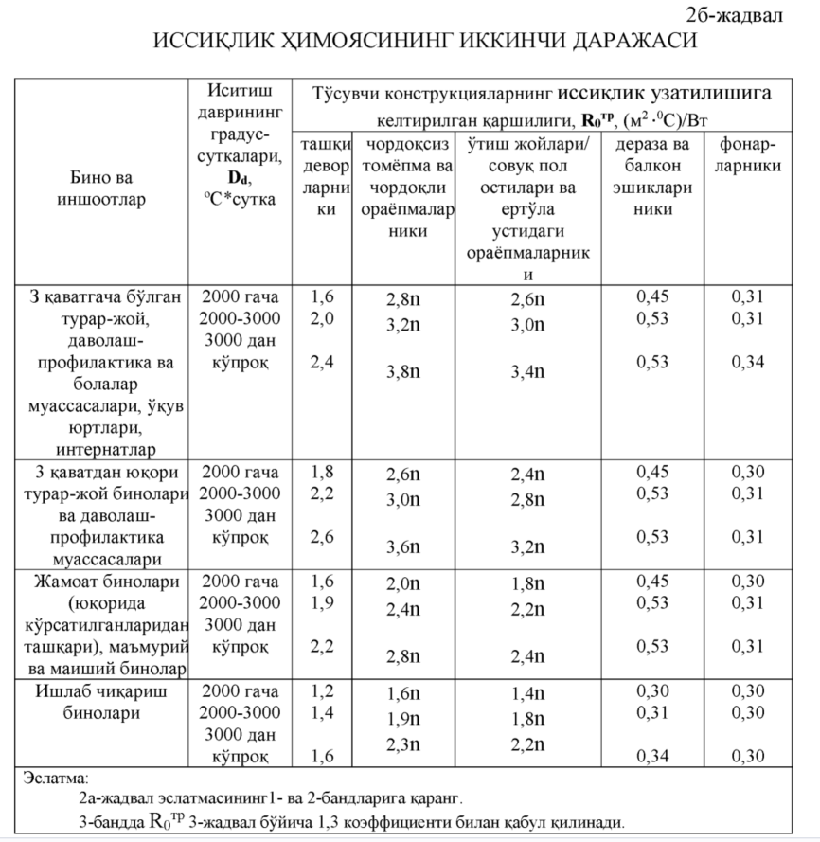
 | Thermal resistance of exterior surface |  |  | Rext | [m²K/W] | 0.040 | Thermal resistance of exterior surface |  |  | Rext | [m²K/W] | 0.040 |  |  |  |  |  | Aggregated slug (from boilers) | 0.76
 | Heat transfer coefficient (U value) |  |  |  | [W/m²K] | 1.38 | Heat transfer coefficient (U value) |  |  |  | [W/m²K] | 0.29 |  |  |  |  |  | Ruberoid | 0.17
 |  |  |  |  |  |  |  |  |  |  |  |  |  |  |  |  |  | Bitumen polimeric materials | 0.27
 |  |  |  |  |  |  |  |  |  |  |  |  |  |  |  |  |  | Wood (pine) | 0.29
 |  |  |  |  |  |  |  |  |  |  |  |  |  |  |  |  |  | Mosaic | 1.74
 |  |  |  |  |  |  |  |  |  |  |  |  |  |  |  |  |  | Marble | 2.91
 |  |  |  |  |  |  |  |  |  |  |  |  |  |  |  |  |  | Granit | 3.49
 |  |  |  |  |  |  |  |  |  |  |  |  |  |  |  |  |  | Concrete/sand mix | 0.76
 |  |  |  |  |  |  |  |  |  |  |  |  |  |  |  |  |  | Limestone | 0.73
 |  |  |  |  |  |  |  |  |  |  |  |  |  |  |  |  |  | Bricks | 0.7
 |  |  |  |  |  |  |  |  |  |  |  |  |  |  |  |  |  | Hollow bricks | 0.58
 |  |  |  |  |  |  |  |  |  |  |  |  |  |  |  |  |  | Linoleum | 0.35
 |  |  |  |  |  |  |  |  |  |  |  |  |  |  |  |  |  | Expanded clay | 0.17
 |  |  |  |  |  |  |  |  |  |  |  |  |  |  |  |  |  | Tile | 1.1
 |  |  |  |  |  |  |  |  |  |  |  |  |  |  |  |  |  | Clay layer with straw | 0.65
 |  |  |  |  |  |  |  |  |  |  |  |  |  |  | roof |  |  | Expanded polysterene EPS | 0.038
 |  |  |  |  |  |  |  |  |  |  |  |  |  |  |  |  |  | Extruded polysterene XPS | 0.035
 | Calculation of Uvalue for external socle before renovation (Socle1)(heated space) |  |  |  |  |  | Calculation of Uvalue for external socle after renovation (Socle1)(heated space) |  |  |  |  |  |  |  | floor |  |  | Mineral wool MW | 0.038
 | Layers |  | Thickness | Thermal conductivity |  | Thermal resistance | Layers |  | Thickness | Thermal conductivity |  | Thermal resistance |  |  |  |  |  | Magnesium oxide plate | 0.21
 |  |  |  |  |  |  |  |  |  |  |  |  |  |  |  |  |  | Concrete hollow panels | 1.30 | Bo'shliqli beton panel 220mm
 |  |  | [m] | [W/mK] |  | [m²K/W] |  |  | [m] | [W/mK] |  | [m²K/W] |  |  |  |  |  | Decorative stone | 2.1
 | 1 | Concrete with stones | 0.6 | 1.74 |  | 0.34 | 1 | Concrete with stones | 0.6 | 1.74 |  | 0.34 |  |  |  |  |  | Sintipon prokladka | 0.04
 | 2 | Concrete/sand mix | 0.02 | 0.76 |  | 0.03 | 2 | Concrete/sand mix | 0.02 | 0.76 |  | 0.03 |  |  |  |  |  | Gidro-bugʻ izolyatsiyasi (Ustki) | 0.4
 | 3 | Decorative stone | 0.03 | 2.1 |  | 0.01 | 3 | Decorative stone | 0.03 | 2.1 |  | 0.01 |  |  |  |  |  | Tunika shifer | 0.01
 | 4 |  |  |  |  |  | 4 | Mineral wool MW | 0.1 | 0.038 |  | 2.63 |  |  |  |  |  | Pol taxta | 0.29
 | 5 |  |  |  |  |  | 5 | Clay layer with straw | 0.004 | 0.65 |  | 0.01 |  |  |  |  |  | Gips (Гипс) | 0.35
 | 6 |  |  |  |  |  | 6 | External plaster | 0.003 | 0.76 |  | 0.00 |  |  |  |  |  | Gipsokarton (Гипсокартон) | 0.19
 | Total |  | 0.65 |  |  | 0.39 | Total |  | 0.757 |  |  | 3.03 |  |  |  |  |  | Tsement-qum qorishmasi | 0.76
 | Thermal resistance of interior surface |  |  | Rint | [m²K/W] | 0.115 | Thermal resistance of interior surface |  |  | Rint | [m²K/W] | 0.115 |  |  |  |  |  | Ohak-qum qorishmasi | 0.7
 | Thermal resistance of exterior surface |  |  | Rext | [m²K/W] | 0.040 | Thermal resistance of exterior surface |  |  | Rext | [m²K/W] | 0.040 |  |  |  |  |  | Parket, laminat, linoleum | 0.38
 | Heat transfer coefficient (U value) |  |  |  | [W/m²K] | 1.85 | Heat transfer coefficient (U value) |  |  |  | [W/m²K] | 0.31 |  |  |  |  |  | Mineral wool MW 150 | 0.22

 | Calculation of Uvalue for external socle before renovation (Socle2) |  |  |  |  |  | Calculation of Uvalue for external socle before renovation (Socle2)
 | Layers |  | Thickness | Thermal conductivity |  | Thermal resistance | Layers |  | Thickness | Thermal conductivity |  | Thermal resistance

 |  |  | [m] | [W/mK] |  | [m²K/W] |  |  | [m] | [W/mK] |  | [m²K/W]
 | 1 | Concrete | 0.6 | 1.92 |  | 0.31 | 1 | Concrete | 0.6 | 1.92 |  | 0.31
 | 2 | Concrete/sand mix | 0.03 | 0.76 |  | 0.04 | 2 | Concrete/sand mix | 0.03 | 0.76 |  | 0.04
 | 3 | Concrete with stones | 0.02 | 1.74 |  | 0.01 | 3 | Concrete with stones | 0.02 | 1.74 |  | 0.01
 | 4 |  |  |  |  |  | 4 | Mineral wool MW | 0.1 | 0.038 |  | 2.63
 | 5 |  |  |  |  |  | 5 | Clay layer with straw | 0.004 | 0.65 |  | 0.01
 | 6 |  |  |  |  |  | 6 | External plaster | 0.003 | 0.76 |  | 0.00
 | Total |  | 0.65 |  |  | 0.36 | Total |  | 0.757 |  |  | 3.01
 | Thermal resistance of interior surface |  |  | Rint | [m²K/W] | 2.100 | Thermal resistance of interior surface |  |  | Rint | [m²K/W] | 2.100
 | Thermal resistance of exterior surface |  |  | Rext | [m²K/W] | 0.000 | Thermal resistance of exterior surface |  |  | Rext | [m²K/W] | 0.000
 | Heat transfer coefficient (U value) |  |  |  | [W/m²K] | 0.41 | Heat transfer coefficient (U value) |  |  |  | [W/m²K] | 0.20

 | Calculation of Uvalue for external roof before renovation (R1) |  |  |  |  |  | Calculation of Uvalue for external roof after renovation (R1)
 | Layers |  | Thickness | Thermal conductivity |  | Thermal resistance | Layers |  | Thickness | Thermal conductivity |  | Thermal resistance

 |  |  | [m] | [W/mK] |  | [m²K/W] |  |  | [m] | [W/mK] |  | [m²K/W]
 | 1 | Internal plaster | 0.01 | 0.7 |  | 0.01 | 1 | Internal plaster | 0.01 | 0.7 |  | 0.01
 | 2 | Concrete hollow panels | 0.22 | 1.295 |  | 0.17 | 2 | Concrete hollow panels | 0.22 | 1.295 |  | 0.17
 | 3 | Concrete/sand mix | 0.05 | 0.76 |  | 0.07 | 3 | Concrete/sand mix | 0.05 | 0.76 |  | 0.07
 | 4 | Bitumen polimeric materials | 0.01 | 0.27 |  | 0.04 | 4 | Bitumen polimeric materials | 0.01 | 0.27 |  | 0.04
 | 5 |  |  |  |  |  | 5 | Polistirolbeton | 0.15 | 0.055 |  | 2.73
 | 6 |  |  |  |  |  | 6
 | Total |  | 0.29 |  |  | 0.29 | Total |  | 0.44 |  |  | 3.01
 | Thermal resistance of interior surface |  |  | Rint | [m²K/W] | 0.115 | Thermal resistance of interior surface |  |  | Rint | [m²K/W] | 0.115
 | Thermal resistance of exterior surface |  |  | Rext | [m²K/W] | 0.083 | Thermal resistance of exterior surface |  |  | Rext | [m²K/W] | 0.083
 | Heat transfer coefficient (U value) |  |  |  | [W/m²K] | 2.06 | Heat transfer coefficient (U value) |  |  |  | [W/m²K] | 0.31

 | Calculation of Uvalue for external roof before renovation (R2) |  |  |  |  |  | Calculation of Uvalue for external roof after renovation (R2)
 | Layers |  | Thickness | Thermal conductivity |  | Thermal resistance | Layers |  | Thickness | Thermal conductivity |  | Thermal resistance

 |  |  | [m] | [W/mK] |  | [m²K/W] |  |  | [m] | [W/mK] |  | [m²K/W]
 | 1 |  |  |  |  |  | 1
 | 2 |  |  |  |  |  | 2
 | 3 |  |  |  |  |  | 3
 | 4 |  |  |  |  |  | 4
 | 5 |  |  |  |  |  | 5
 | 6 |  |  |  |  |  | 6
 | Total |  | 0 |  |  | 0.00 | Total |  | 0 |  |  | 0.00
 | Thermal resistance of interior surface |  |  | Rint | [m²K/W] |  | Thermal resistance of interior surface |  |  | Rint | [m²K/W] | 0.000
 | Thermal resistance of exterior surface |  |  | Rext | [m²K/W] |  | Thermal resistance of exterior surface |  |  | Rext | [m²K/W] | 0.000
 | Heat transfer coefficient (U value) |  |  |  | [W/m²K] | #DIV/0! | Heat transfer coefficient (U value) |  |  |  | [W/m²K] | #DIV/0!
 | Calculation of Uvalue for external floor before renovation (F1) |  |  |  |  |  | Calculation of Uvalue for external floor after renovation (F1)
 | Layers |  | Thickness | Thermal conductivity |  | Thermal resistance | Layers |  | Thickness | Thermal conductivity |  | Thermal resistance

 |  |  | [m] | [W/mK] |  | [m²K/W] |  |  | [m] | [W/mK] |  | [m²K/W]
 | 1 | Concrete hollow panels | 0.22 | 1.295 |  | 0.17 | 1 | Concrete hollow panels | 0.22 | 1.295 |  | 0.17
 | 2 | Concrete/sand mix | 0.05 | 0.76 |  | 0.07 | 2 | Concrete/sand mix | 0.05 | 0.76 |  | 0.07
 | 3 |  |  |  |  | 0.00 | 3
 |  |  |  |  |  |  | 4
 | 4 |  |  |  |  |  | 5 |  |  |  |  |  | Gidro-bugʻ izolyatsiyasi (Ustki)
 | 5 |  |  |  |  |  | 6
 | 6 |  |  |  |  |  | 7
 | Total |  | 0.27 |  |  | 0.24 | Total |  | 0.27 |  |  | 0.24
 | Thermal resistance of interior surface |  |  | Rint | [m²K/W] | 2.100 | Thermal resistance of interior surface |  |  | Rint | [m²K/W] | 2.100
 | Thermal resistance of exterior surface |  |  | Rext | [m²K/W] | 0.000 | Thermal resistance of exterior surface |  |  | Rext | [m²K/W] | 0.000
 | Heat transfer coefficient (U value) |  |  |  | [W/m²K] | 0.43 | Heat transfer coefficient (U value) |  |  |  | [W/m²K] | 0.43

 | Calculation of Uvalue for external floor before renovation (F2) |  |  |  |  |  | Calculation of Uvalue for external floor after renovation (F2)
 | Layers |  | Thickness | Thermal conductivity |  | Thermal resistance | Layers |  | Thickness | Thermal conductivity |  | Thermal resistance

 |  |  | [m] | [W/mK] |  | [m²K/W] |  |  | [m] | [W/mK] |  | [m²K/W]
 | 1 |  |  |  |  |  | 1
 | 2 |  |  |  |  |  | 2
 | 3 |  |  |  |  |  | 3
 | 4 |  |  |  |  |  | 4
 | 5 |  |  |  |  |  | 5
 | 6 |  |  |  |  |  | 6

 | Total |  | 0 |  |  | 0.00 | Total |  | 0 |  |  | 0.00
 | Thermal resistance of interior surface |  |  | Rint | [m²K/W] |  | Thermal resistance of interior surface |  |  | Rint | [m²K/W]
 | Thermal resistance of exterior surface |  |  | Rext | [m²K/W] |  | Thermal resistance of exterior surface |  |  | Rext | [m²K/W]
 | Heat transfer coefficient (U value) |  |  |  | [W/m²K] | #DIV/0! | Heat transfer coefficient (U value) |  |  |  | [W/m²K] | #DIV/0!

R1

R2

R3

R4

Shading
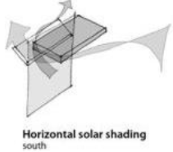
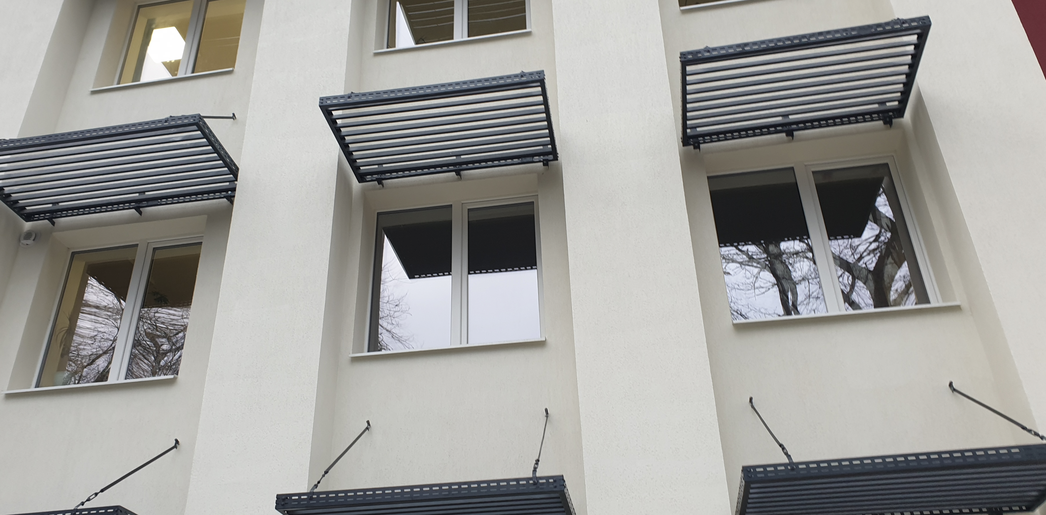

 | Space name | Element | Type | Orientation | Glazed Area [m²] | Reduction factor g value | Shading reduction factor | Solar radiation |  |  |  |  | Q [kWh/y]
 |  |  |  |  |  |  |  | [kWh/m²]
 |  |  |  |  |  |  |  | V* | VI | VII | VIII | IX*
After renovation |  | Window | 0 | S | 79 | 0.5 | 0.8 | 31.5 | 65 | 68 | 61 | 31 | 8107
 |  | Window | 0 | E | 11 | 0.5 | 0.8 | 59 | 125 | 135 | 106 | 39.5 | 2007
 |  | Window | 0 | NW | 0 | 0.5 | 0.8 | 45 | 93 | 98 | 76 | 24.5 | 0
 |  | Window | 0 | 0 | 0 | 0 | 0 |  |  |  |  |  |  |  | Input data table with shading factors:
 |  | Window | 0 | 0 | 0 | 0 | 0 |  |  |  |  |  |  |  | Type of shading element |  | Factor
 | Total annual solar heat gains after renovation |  |  |  |  |  |  |  |  |  |  |  | 10114 | No of openings | Fixed horizontal shading (S, SW and SE) |  | 0.7
After renovation |  | Window | 0 | S | 79 | 0.5 | 0.8 | 31.5 | 65 | 68 | 61 | 31 | 8107 | 0
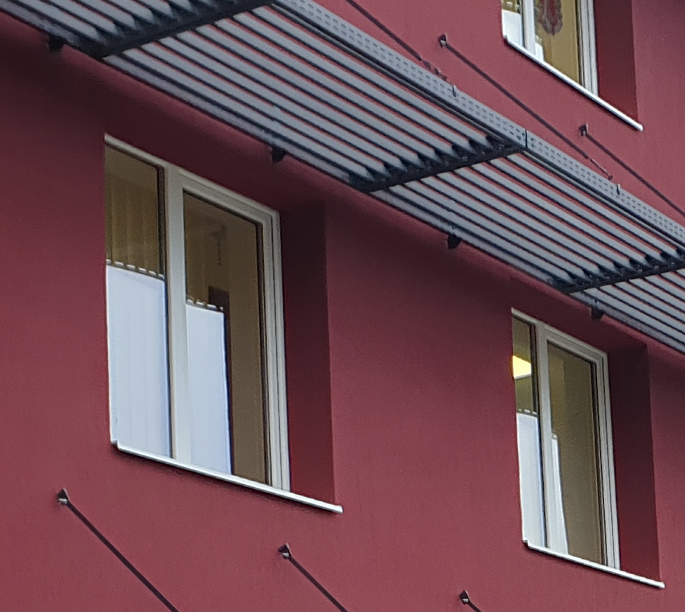
 |  | Window | 0 | E | 11 | 0.5 | 0.8 | 59 | 125 | 135 | 106 | 39.5 | 2007 | 0
 |  | Window | 0 | NW | 0 | 0.5 | 0.8 | 45 | 93 | 98 | 76 | 24.5 | 0 | 0
 |  | Window | 0 | 0 | 0 | 0 | 0.8 |  |  |  |  |  |  | 0
 |  | Window | 0 | 0 | 0 | 0 | 0.8 |  |  |  |  |  |  | 0
 | Total annual solar heat gains after renovation with installed shading elements |  |  |  |  |  |  |  |  |  |  |  | 10114
Total solar heat gains savings from shading elements installation |  |  |  |  |  |  |  |  |  |  |  |  | 0
 |  |  |  |  |  |  |  |  |  |  |  |  |  |  |  |  |  |  | V* | VI. | VII. | VIII. | IX*
 |  |  |  |  |  |  |  |  |  |  |  |  |  |  |  |  |  | S | 31.5 | 65 | 68 | 61 | 31
Description |  |  |  |  | Unit |  |  |  |  |  |  |  |  |  |  |  |  | N | 26.5 | 54 | 53 | 44 | 17
Electrical energy used for cooling purposes before renovation [kWh/y] |  |  |  |  | 8182 |  |  |  |  |  |  |  |  |  |  |  |  | E | 59 | 125 | 135 | 106 | 39.5
Annual solar heat gains savings from installed shading elements [kWh/y] |  |  |  |  | 0 |  |  |  |  |  |  |  |  |  |  |  |  | W | 59 | 125 | 135 | 106 | 39.5
Seasonal Energy Efficiency Ratio (SEER) after renovation |  |  |  |  | 8.5 |  |  |  |  |  |  |  |  |  |  |  |  | SE | 52.5 | 111 | 120 | 99 | 41
Annual electrical energy savings from installed shading elements [kWh/y] |  |  |  |  | 0 |  |  |  |  |  |  |  |  |  |  |  |  | SW | 52.5 | 111 | 120 | 99 | 41
Electrical energy used for cooling purposes after renovation [kWh/y] |  |  |  |  | 8182 |  |  |  |  |  |  |  |  |  |  |  |  | NE | 45 | 93 | 98 | 76 | 24.5
 |  |  |  |  |  |  |  |  |  |  |  |  |  |  | glazing type | Factor transmission of total solar energy when falling on the perpendicular surface, |  | NW | 45 | 93 | 98 | 76 | 24.5
 | CAPEX |  |  |  |  |  |  |  |  |  |  |  |  |  |  | gn |  | Horizontal | 119.7 | 244.7 | 243.6 | 204.4 | 81.8
 | Installation of shading elements at the windows |  |  |  |  |  |  |  |  |  |  |  |  |  | Average glazing | 0,85 |  | * Only 15 days out of 30 are applied in calculations |  |  |  |  |  | Pictures from GIZ MLPS Project (Leova, Moldova)
 | Description | Units |  |  |  |  |  |  |  |  |  |  |  |  | double glazing | 0,75
 | Instalaltion of exterior fixed horizontal shading elements at the windows performed from: at least 1mm thick stainless steel applied powder paint layer in spray chamber, polymerization of powder coating in a polymerization stove. [USD/unit] | 140 |  |  |  |  |  |  |  |  |  |  |  |  | Double glazing coated with selective low-e | 0,67
 | Number of shading elements to be installed |  | A se întroduce numărul total (nu suprafața) de ferestre orientate spre Sud, Sud-Est, Sud-Vest, Vest si Est la care a fost aplicat factorul de umbrire |  |  |  |  |  |  |  |  |  |  |  | triple glazing | 0,70
 | Total | 0 |  |  |  |  |  |  |  |  |  |  |  |  | Triple glazing with double selective low-e coating | 0,50
 | Labour | 0 |  |  |  |  |  |  |  |  |  |  |  |  | double window | 0,75
 | Total including labour | 0

Breakdown Baseline & Balance
Thermal energy needs before & after renovation
 | Before renovation | After renovation
Walls | 95777 | 20513
Roof | 123019 | 18574
Floor | 14810 | 14810
Windows and Doors | 26215 | 13399
Ventilation | 141332 | 68770
DHW needs and distribution | 0 | 4095
Heat Distribution | 36773 | 8606
Generation Heating +DHW | 183929 | 4082
Gains heating season | -59042 | -59042
Solar DHW |  | -7928
EMS |  | -4470
Potential Thermal Energy Savings
 | DATA | Invisible
Actual energy consumption according to the bills before renovation | 240366
Energy needs based on standardized conditions before renovation | 562813 | 240366
Energy needs based on standardized conditions after renovation | 81408
Type of energy | Needs | Before renovation |  |  | After renovation
 |  | Theoretical energy needs based on standardized conditions [kWh/y] | ratio | Actual energy consumption (Baseline) [kWh/y] | Energy needs based on standardized conditions [kWh/y] | Theoretical energy savings based on standardized conditions [kWh/y] | Actual energy savings based on standardized conditions [kWh/y]
Thermal energy | Walls | 95777 | 17% | 40904 | 20513 | 75264 | 20392
 | Roof | 123019 | 22% | 52539 | 18574 | 104445 | 33965
 | Floor | 14810 | 3% | 6325 | 14810 | 0 | -8485
 | Windows and Doors | 26215 | 5% | 11196 | 13399 | 12816 | -2203
 | Ventilation | 141332 | 25% | 60360 | 68770 | 72562 | -8410
 | DHW needs and distribution | 0 | 0% | 0 | 4095 | -4095 | -4095
 | Heat Distribution | 36773 | 7% | 15705 | 8606 | 28166 | 7099
 | Generation Heating +DHW | 183929 | 33% | 78552 | 4082 | 179847 | 74470
 | Gains heating season | -59042 | -10% |  | -59042
Electrical energy needs before & after renovation
 | Before renovation | After renovation
Lighting | 40068 | 16187
Equipment | 21652 | 15698
DHW | 4778 | 0
Ventilation | 0 | 3424
Gains cooling season
EMS |  | -501
 | Solar DHW |  |  |  | -7928 | 7928 | 7928
 | EMS |  |  |  | -4470 | 4470 | 4470
Total | Total | 562813 | 100% | 240366 | 81408 | 481405 | 125132
Electrical energy | Lighting | 40068 | 60% | 33770 | 16187 | 23881 | 17583
 | Equipment | 21652 | 33% | 18248 | 15698 | 5953 | 2550
 | Cooling
Potential Electrical Energy Savings
 | DATA | Invisible
Actual energy consumption according to the bills before renovation | 56045
Energy needs based on standardized conditions before renovation | 66498 | 56045
Energy needs based on standardized conditions after renovation | 19201
 | DHW | 4778 | 7% | 4778 | 0 | 4778 | 4778
 | Heating | 0 | 0% | 0 | 0 | 0 | 0
 | Ventilation | 0 | 0% | 0 | 3424 | -3424 | -3424
 | PV |  |  |  | -15607 | 15607 | 15607
 | Gains cooling season
 | EMS |  |  |  | -501 | 501 | 501
Total | Total | 66498 | 100% | 56045 | 19201 | 47297 | 37595

 |  | Actual according to the bills | Standardized before renovation | Standardized after renovation
 | Specific final thermal energy consumption for heating [kWh/m²·y] | 96 | 224 | 34
 | Specific final thermal energy consumption for DHW [kWh/m²·y] | 0 | 2 | -3
 | Specific final electrical energy consumption [kWh/m²·y] | 22 | 26 | 8

 |  |  |  |  |  |  |  | Thermal
 |  |  |  |  |  |  |  |  | DATA | Invisible | difference | Percentage | Text
 |  |  |  |  |  |  |  | Actual energy consumption according to the bills before renovation | 240366
 |  |  |  |  |  |  |  | Energy needs based on standardized conditions before renovation | 562813 | 240366 | 158958 | 66%
 |  |  |  |  |  |  |  | Energy needs based on standardized conditions after renovation | 81408

 |  |  |  |  |  |  |  | Electrical
 |  |  |  |  |  |  |  |  | DATA | Invisible | difference | Percentage | Text
 |  |  |  |  |  |  |  | Actual energy consumption according to the bills before renovation | 56045
 |  |  |  |  |  |  |  | Energy needs based on standardized conditions before renovation | 66498 | 56045 | 36844 | 66%
 |  |  |  |  |  |  |  | Energy needs based on standardized conditions after renovation | 19201

